CHANGE VENDOR
Requested By & Dept | : | LILIS
Date | : | 23-Apr-2019
SAP Entry By & Dept | :
Entry Date | :

CHANGE VENDOR FORM
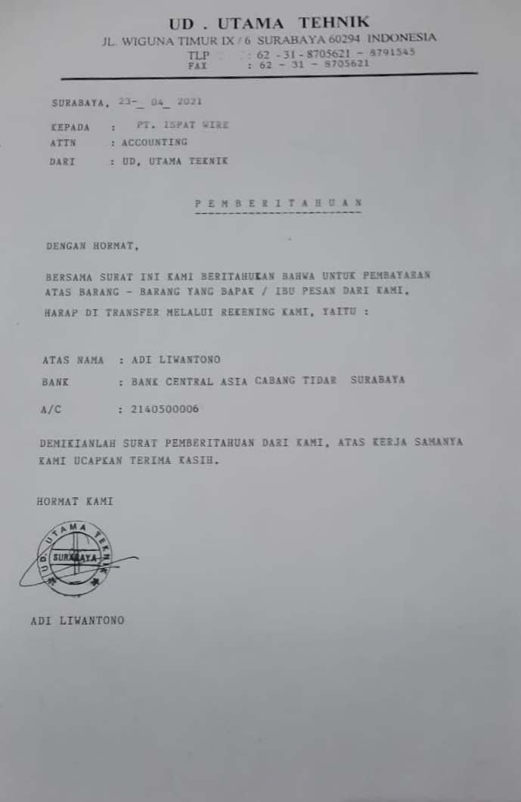
PURCHASE DATA
COMPANY CODE | :
PURCHASING ORGANIZATION | :
ACC. GROUP | :
TITTLE | :
NAME | : | UTAMA TEHNIK
CODE | : | 1300001786
ADDRESS | :
CITY & POSTAL CODE | :
COUNTRY | :
LANGUAGE | :
BUSSINESS CURRENCY | :
TELEPHONE | :
FAX | :
EMAIL | :
CONTACT PERSON
A.NAME | :
B.MOBILE PHONE | :
FINANCE DATA
BANK INFORMATION
TAX NUMBER | :
BANK NAME | :
BANK ACCOUNT | : | 2140500006
BANK BRANCH | : | BCA
NAME IN CHECK | : | ADI LIWANTONO
SWIFT CODE | :
IBAN | :
PAYMENT AND ACCOUNT
RECON.ACCOUNT | :
PAY TERMS METHODS | :
PAYMENT METHODS
A.OUTGOING | : | CDCOB | * Pls don't fill anything for OUTGOING
B.INCOMING | :
WITHOLDING TAX TYPE | :
CURRENCY | :
INCOTERMS | :
LOCATION | :

AUTHORIZATION APPROVAL
Accounting DEPT | FINANCE DEPT |  | IT DEPT

* Note : Pls Check before submitting to IT, Data will be entered into SAP as provided above.

